question 2
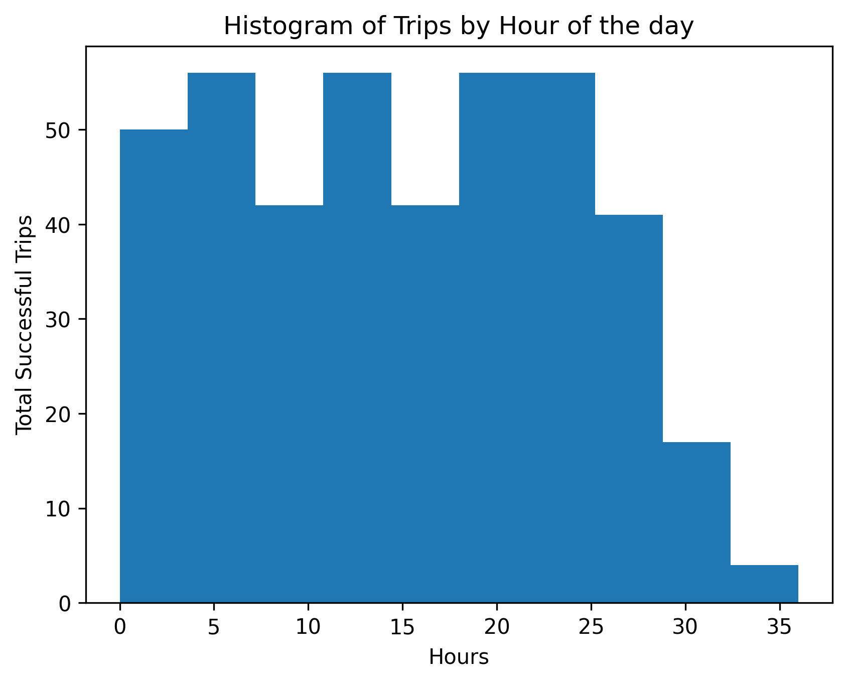
Histogram that profiles arrival times by hour of the day for all successful trips

